Overview
Self-Assessment for Peace Educators
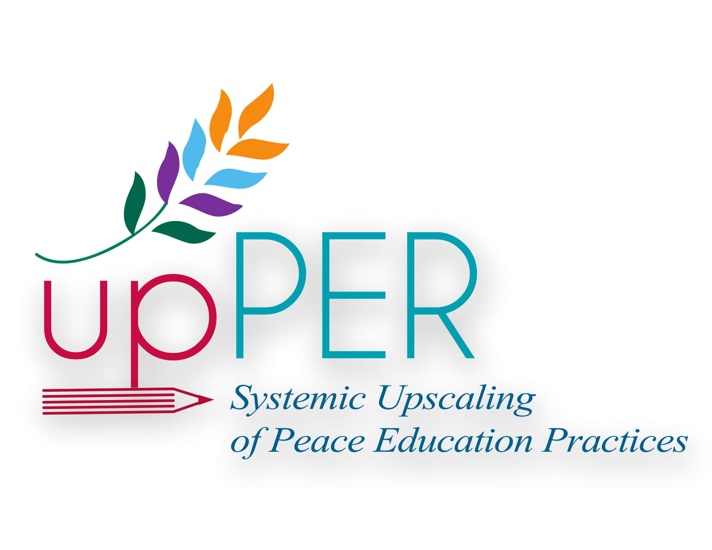

Thank you for your interest in peace education.

UPPER (systemic Upscaling of Peace Education pRactices) is a project developed by a consortium of European institutions funded by the Erasmus+ Programme of the European Union. It intends to spread peace education across the European Union by giving tools to educators such as you.

The purpose of this questionnaire is to assess yourself on the topic of peace education at any given point of time. By filling in this questionnaire before and after peace activities in your school or organisation you will be able to assess yourself on the progress you have made over a period of time. This questionnaire is intended to be filled in anonymously and you do not have to share the results with anyone if you do not wish so. In case any question makes you feel uncomfortable or you prefer not to answer, please feel free and skip it.

The content of this publication represents the views of the author only and is his/her sole responsibility. The European Commission does not accept any responsibility for use that may be made of the information it contains.

